Tournament
Yuya Uemura |  |  |  | YOSHI-HASHI

Great-O-Khan |  |  |  | Jake Lee

Drilla Moloney |  |  |  | Hirooki Goto

 | Drilla Moloney |  | Hirooki Goto

BYE |  |  |  | BYE

Aaron Wolf |  |  |  | OSKAR

Don Fale |  |  |  | Callum Newman

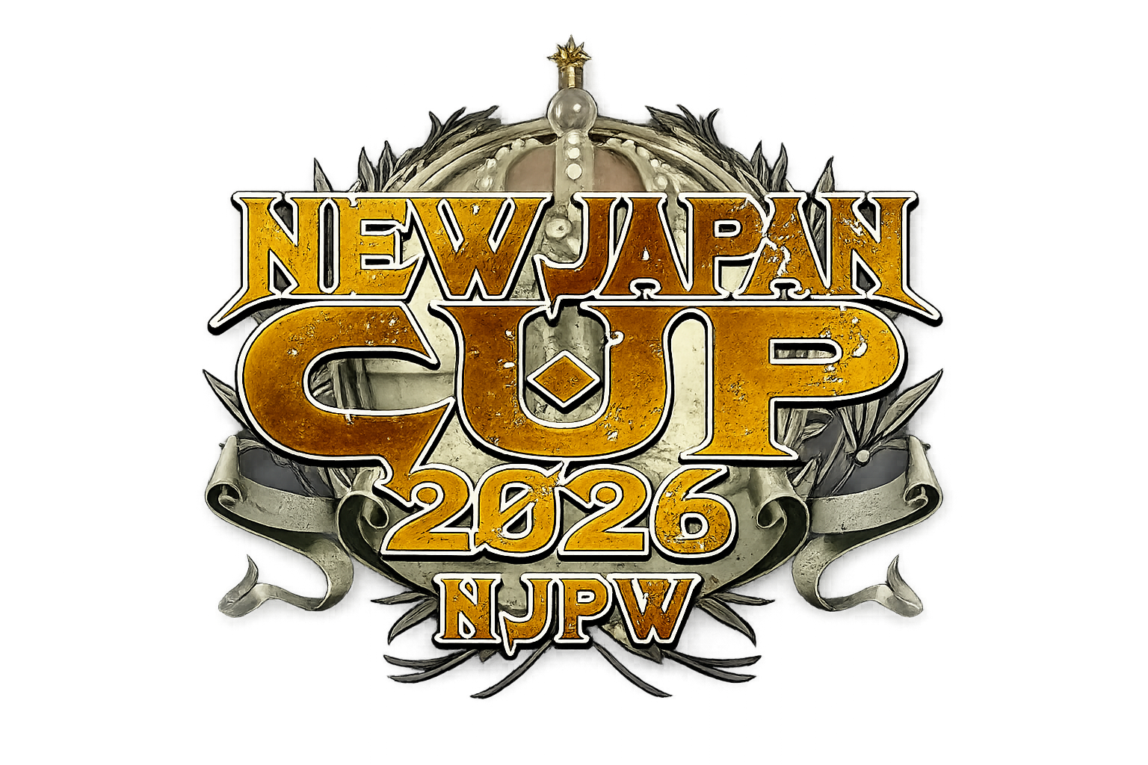
Shingo Takagi |  |  |  | Hartley Jackson

 | Shingo Takagi |  | Hartley Jackson

BYE |  |  |  | BYE
 |  | CHAMPION

Taichi |  |  |  | Shota Umino

Ren Narita |  |  |  | Chase Owens

Tomohiro Ishii |  |  |  | Yujiro Takahashi

 | Tomohiro Ishii |  | Yujiro Takahashi

BYE |  |  |  | BYE

El Phantasmo |  |  |  | Yuto-Ice

Boltin Oleg |  |  |  | Ryohei Oiwa

HENARE |  |  |  | Zack Sabre Jr.

 | HENARE |  | Zack Sabre Jr.

BYE |  |  |  | BYE

